Graph and Data - OT
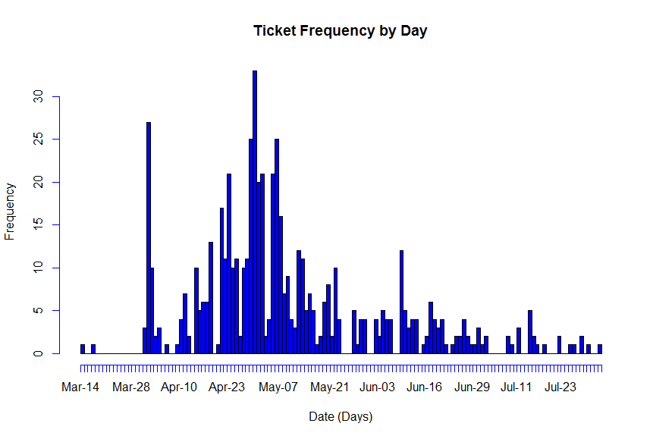

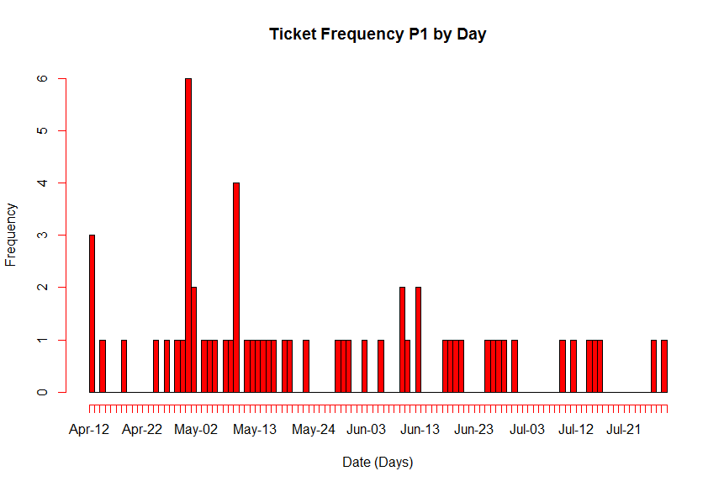

 | Notes for one Store CBK
 | 1 | Hard Lanch April 30
 | 2 | Flow / Distribution of tcikets as shown in Graph
 | 3 | Avg time to Triage = 2 hrs = 0.25 days (p: Service Time ) |  |  |  |  | 1 | Days ( Resolve)
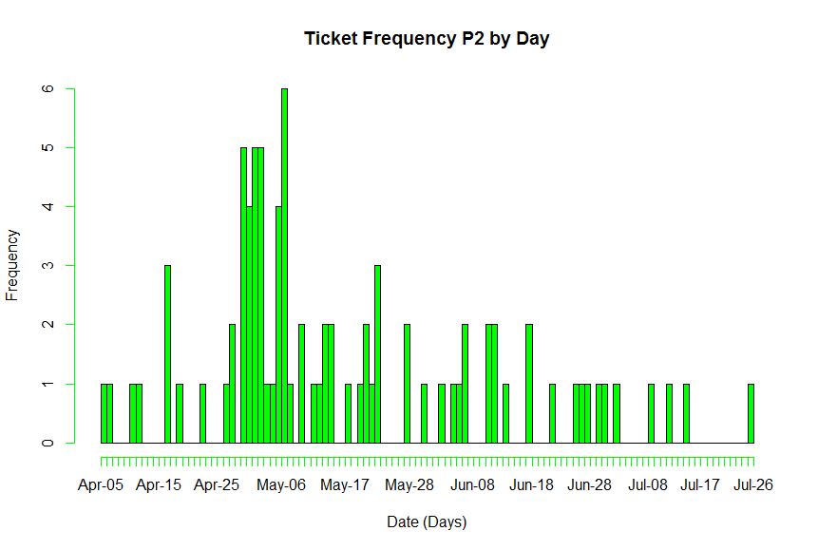
 | 4 | Bottleneck is at Traiging the issue ( Once identified 1 resource will resolve the issue in average 1-2 days)
 | 5 | Avg tickets rate= 583 tickets / 124 days |  |  |  | 4.7016129032 | (4.7 tickets / day) = Flow Rate |  | 0.21269296741 | a
 | 6 | Std Deviation in the flow of incoming tickets |  |  |  | 0.53465265589
 | 7 | Coeff of Variation (Tickets) |  | 2.5137298257 |  | Cva=std deviation/Average
 | 8 | Coeff of Variation in processing: |  |  | 0 | CVp

 | Applyling Operations Research calculations for wait times:
 | Time (wait) = (p/m)*(utilization ^(Sqrt(2(m+1)-1))/(1- utilization)) * (CVa^2 + CVp^2)/2

(P/aM) |  | Utilization = Flow rate / Capacity = (P/aM) |  |  | 0.67165898618
 |  | Capacity (m: Resources) |  | 7

 | Wait Time (Days) |  | 0.29426209414 |  | (Verify the formula)
 |  | (Hrs) | 2.3540967531

 | Analysis for two Stores (Concurrent)
 | 2 | Flow / Distribution of tcikets as shown in Graph
 | 3 | Avg time to Triage = 2 hrs = 0.25 days (p: Service Time ) |  |  |  |  | 1
 | 4 | Bottleneck is at Traiging the issue ( Once identified 1 resource will resolve the issue in average 1-2 days)
 | 5 | Avg tickets rate= 583 tickets / 124 days |  |  |  | 9.4032258065 | ( tickets / day) = Flow Rate |  | 0.1063464837
 | 6 | Std Deviation in the flow of incoming tickets |  |  |  | 0.26732632795
 | 7 | Coeff of Variation (Tickets) |  | 2.5137298257
 | 8 | Coeff of Variation in processing: |  |  | 0

 | Applyling Operations Research calculations for wait times:
 | Time (wait) = (p/m)*(utilization ^(Sqrt(2(m+1)-1))/(1- utilization)) * (CVa^2 + CVp^2)/2

 |  | Utilization = Flow rate / Capacity |  |  | 0.78360215054
 |  | Capacity (m: Resources) |  | 12

 | Wait Time (Days) |  | 0.35946044707
 |  | (Hrs) | 2.8756835766

 | Analysis for three Stores (Concurrent)
 | 2 | Flow / Distribution of tcikets as shown in Graph
 | 3 | Avg time to Triage = 2 hrs = 0.25 days (p: Service Time ) |  |  |  |  | 1
 | 4 | Bottleneck is at Traiging the issue ( Once identified 1 resource will resolve the issue in average 1-2 days)
 | 5 | Avg tickets rate= 583 tickets / 124 days |  |  |  | 14.10483871 | ( tickets / day) = Flow Rate |  | 0.070897655803
 | 6 | Std Deviation in the flow of incoming tickets |  |  |  | 0.17821755196
 | 7 | Coeff of Variation (Tickets) |  | 2.5137298257
 | 8 | Coeff of Variation in processing: |  |  | 0

 | Applyling Operations Research calculations for wait times:
 | Time (wait) = (p/m)*(utilization ^(Sqrt(2(m+1)-1))/(1- utilization)) * (CVa^2 + CVp^2)/2

 |  | Utilization = Flow rate / Capacity |  |  | 0.82969639469
 |  | Capacity (m: Resources) |  | 17

 | Wait Time (Days) |  | 0.36162127483
 |  | (Hrs) | 2.8929701986

Date | All | P1 | P2
3/14/13 | 1
3/15/13 | 0
3/16/13 | 0
3/17/13 | 1
3/18/13 | 0
3/19/13 | 0
3/20/13 | 0
3/21/13 | 0
3/22/13 | 0
3/23/13 | 0
3/24/13 | 0
3/25/13 | 0
3/26/13 | 0
3/27/13 | 0
3/28/13 | 0
3/29/13 | 0
3/30/13 | 0
3/31/13 | 3
4/1/13 | 27
4/2/13 | 10
4/3/13 | 2
4/4/13 | 3
4/5/13 | 0 |  | 1
4/6/13 | 1 |  | 1
4/7/13 | 0 |  | 0
4/8/13 | 0 |  | 0
4/9/13 | 1 |  | 0
4/10/13 | 4 |  | 1
4/11/13 | 7 |  | 1
4/12/13 | 2 | 3 | 0
4/13/13 | 0 | 0 | 0
4/14/13 | 10 | 1 | 0
4/15/13 | 5 | 0 | 0
4/16/13 | 6 | 0 | 3
4/17/13 | 6 | 0 | 0
4/18/13 | 13 | 1 | 1
4/19/13 | 0 | 0 | 0
4/20/13 | 1 | 0 | 0
4/21/13 | 17 | 0 | 0
4/22/13 | 11 | 0 | 1
4/23/13 | 21 | 0 | 0
4/24/13 | 10 | 1 | 0
4/25/13 | 11 | 0 | 0
4/26/13 | 2 | 1 | 1
4/27/13 | 10 | 0 | 2
4/28/13 | 11 | 1 | 0
4/29/13 | 25 | 1 | 5
4/30/13 | 33 | 6 | 4
5/1/13 | 20 | 2 | 5
5/2/13 | 21 | 0 | 5
5/3/13 | 2 | 1 | 1
5/4/13 | 4 | 1 | 1
5/5/13 | 21 | 1 | 4
5/6/13 | 25 | 0 | 6
5/7/13 | 16 | 1 | 1
5/8/13 | 7 | 1 | 0
5/9/13 | 9 | 4 | 2
5/10/13 | 4 | 0 | 0
5/11/13 | 3 | 1 | 1
5/12/13 | 12 | 1 | 1
5/13/13 | 11 | 1 | 2
5/14/13 | 5 | 1 | 2
5/15/13 | 7 | 1 | 0
5/16/13 | 5 | 1 | 0
5/17/13 | 1 | 0 | 1
5/18/13 | 2 | 1 | 0
5/19/13 | 6 | 1 | 1
5/20/13 | 8 | 0 | 2
5/21/13 | 2 | 0 | 1
5/22/13 | 10 | 1 | 3
5/23/13 | 4 | 0 | 0
5/24/13 | 0 | 0 | 0
5/25/13 | 0 | 0 | 0
5/26/13 | 0 | 0 | 0
5/27/13 | 5 | 0 | 2
5/28/13 | 1 | 1 | 0
5/29/13 | 4 | 1 | 0
5/30/13 | 4 | 1 | 1
5/31/13 | 0 | 0 | 0
6/1/13 | 0 | 0 | 0
6/2/13 | 4 | 1 | 1
6/3/13 | 2 | 0 | 0
6/4/13 | 5 | 0 | 1
6/5/13 | 4 | 1 | 1
6/6/13 | 4 | 0 | 2
6/7/13 | 0 | 0 | 0
6/8/13 | 0 | 0 | 0
6/9/13 | 12 | 2 | 0
6/10/13 | 5 | 1 | 2
6/11/13 | 3 | 0 | 2
6/12/13 | 4 | 2 | 0
6/13/13 | 4 | 0 | 1
6/14/13 | 0 | 0 | 0
6/15/13 | 1 | 0 | 0
6/16/13 | 2 | 0 | 0
6/17/13 | 6 | 1 | 2
6/18/13 | 4 | 1 | 0
6/19/13 | 3 | 1 | 0
6/20/13 | 4 | 1 | 0
6/21/13 | 1 | 0 | 1
6/22/13 | 0 | 0 | 0
6/23/13 | 1 | 0 | 0
6/24/13 | 2 | 0 | 0
6/25/13 | 2 | 1 | 1
6/26/13 | 4 | 1 | 1
6/27/13 | 2 | 1 | 1
6/28/13 | 1 | 1 | 0
6/29/13 | 1 | 0 | 1
6/30/13 | 3 | 1 | 1
7/1/13 | 1 | 0 | 0
7/2/13 | 2 | 0 | 1
7/3/13 | 0 | 0 | 0
7/4/13 | 0 | 0 | 0
7/5/13 | 0 | 0 | 0
7/6/13 | 0 | 0 | 0
7/7/13 | 0 | 0 | 0
7/8/13 | 2 | 0 | 1
7/9/13 | 1 | 1 | 0
7/10/13 | 0 | 0 | 0
7/11/13 | 3 | 1 | 1
7/12/13 | 0 | 0 | 0
7/13/13 | 0 | 0 | 0
7/14/13 | 5 | 1 | 1
7/15/13 | 2 | 1 | 0
7/16/13 | 1 | 1 | 0
7/17/13 | 0 | 0 | 0
7/18/13 | 1 | 0 | 0
7/19/13 | 0 | 0 | 0
7/20/13 | 0 | 0 | 0
7/21/13 | 0 | 0 | 0
7/22/13 | 2 | 0 | 0
7/23/13 | 0 | 0 | 0
7/24/13 | 0 | 0 | 0
7/25/13 | 1 | 0 | 1
7/26/13 | 1 | 1
7/27/13 | 0 | 0
7/28/13 | 2 | 1
7/29/13 | 0
7/30/13 | 1
7/31/13 | 0
8/1/13 | 0
8/2/13 | 1

Graphs
Row Labels | P1 | P2 | P3 | Total | % | Row Labels | Count of Ticket #
v11.Storefront | 21 | 35 | 182 | 238 | 41% | P1 | 61
v11.Order Processing | 8 | 5 | 38 | 51 | 9% | P2 | 86
v11.GSI Manager | 4 | 6 | 40 | 50 | 9% | P3 | 436
v11.Call Center | 2 | 3 | 34 | 39 | 7% | Grand Total | 583
v11.Feeds | 9 | 4 | 21 | 34 | 6%
v11.Email | 2 | 4 | 22 | 28 | 5%
v11.GSI Store Reporting | 1 | 4 | 18 | 23 | 4%
v11.Performance | 4 | 4 | 6 | 14 | 2%
v11.Finance |  | 3 | 9 | 12 | 2%
v11.Fulfillment | 1 | 3 | 7 | 11 | 2%
v11.Payment |  | 2 | 8 | 10 | 2%
v11.Webanalytics | 2 |  | 8 | 10 | 2%
V9, V10 Dependency |  | 3 | 7 | 10 | 2%
v11.3rd Party | 1 | 1 | 7 | 9 | 2%
v11.Operations | 1 | 2 | 6 | 9 | 2%
v11.Data Migration | 4 | 1 | 3 | 8 | 1%
v11.Reporting |  | 4 | 3 | 7 | 1%
v11.Sterling Integrator |  | 1 | 4 | 5 | 1%
v11.Integration |  | 1 | 3 | 4 | 1%
v11.Inventory |  |  | 4 | 4 | 1%
v11.Warehouse |  |  | 4 | 4 | 1%
GSIS COPS System |  |  | 1 | 1 | 0%
v11.AOS |  |  | 1 | 1 | 0%
v11.Connectivity | 1 |  |  | 1 | 0%
Grand Total | 61 | 86 | 436 | 583 | 100%

Ticket Distribution across appliations

Ticket flow
Date | P1 | P2 | P3 | Grand Total
14-Mar-13 |  |  | 1 | 1
18-Mar-13 |  |  | 1 | 1
1-Apr-13 |  |  | 3 | 3
2-Apr-13 |  |  | 27 | 27
3-Apr-13 |  |  | 10 | 10
4-Apr-13 |  |  | 2 | 2
5-Apr-13 |  | 1 | 2 | 3
7-Apr-13 |  | 1 |  | 1
10-Apr-13 |  |  | 1 | 1
11-Apr-13 |  | 1 | 3 | 4
12-Apr-13 | 2 | 1 | 4 | 7
13-Apr-13 | 1 |  | 1 | 2
15-Apr-13 | 1 |  | 9 | 10
16-Apr-13 |  |  | 5 | 5
17-Apr-13 |  | 3 | 3 | 6
18-Apr-13 |  |  | 6 | 6
19-Apr-13 | 1 | 1 | 11 | 13
21-Apr-13 |  |  | 1 | 1
22-Apr-13 |  |  | 17 | 17
23-Apr-13 |  | 1 | 10 | 11
24-Apr-13 |  |  | 21 | 21
25-Apr-13 | 1 |  | 9 | 10
26-Apr-13 |  |  | 11 | 11
27-Apr-13 | 1 | 1 |  | 2
28-Apr-13 |  | 2 | 8 | 10
29-Apr-13 | 1 |  | 10 | 11
30-Apr-13 | 1 | 5 | 19 | 25
1-May-13 | 6 | 4 | 23 | 33
2-May-13 | 2 | 5 | 13 | 20
3-May-13 |  | 5 | 16 | 21
4-May-13 | 1 | 1 |  | 2
5-May-13 | 1 | 1 | 2 | 4
6-May-13 | 1 | 4 | 16 | 21
7-May-13 |  | 6 | 19 | 25
8-May-13 | 1 | 1 | 14 | 16
9-May-13 | 1 |  | 6 | 7
10-May-13 | 4 | 2 | 3 | 9
11-May-13 |  |  | 4 | 4
12-May-13 | 1 | 1 | 1 | 3
13-May-13 | 1 | 1 | 10 | 12
14-May-13 | 1 | 2 | 8 | 11
15-May-13 | 1 | 2 | 2 | 5
16-May-13 | 1 |  | 6 | 7
17-May-13 | 1 |  | 4 | 5
18-May-13 |  | 1 |  | 1
19-May-13 | 1 |  | 1 | 2
20-May-13 | 1 | 1 | 4 | 6
21-May-13 |  | 2 | 6 | 8
22-May-13 |  | 1 | 1 | 2
23-May-13 | 1 | 3 | 6 | 10
24-May-13 |  |  | 4 | 4
28-May-13 |  | 2 | 3 | 5
29-May-13 | 1 |  |  | 1
30-May-13 | 1 |  | 3 | 4
31-May-13 | 1 | 1 | 2 | 4
3-Jun-13 | 1 | 1 | 2 | 4
4-Jun-13 |  |  | 2 | 2
5-Jun-13 |  | 1 | 4 | 5
6-Jun-13 | 1 | 1 | 2 | 4
7-Jun-13 |  | 2 | 2 | 4
10-Jun-13 | 2 |  | 10 | 12
11-Jun-13 | 1 | 2 | 2 | 5
12-Jun-13 |  | 2 | 1 | 3
13-Jun-13 | 2 |  | 2 | 4
14-Jun-13 |  | 1 | 3 | 4
16-Jun-13 |  |  | 1 | 1
17-Jun-13 |  |  | 2 | 2
18-Jun-13 | 1 | 2 | 3 | 6
19-Jun-13 | 1 |  | 3 | 4
20-Jun-13 | 1 |  | 2 | 3
21-Jun-13 | 1 |  | 3 | 4
22-Jun-13 |  | 1 |  | 1
24-Jun-13 |  |  | 1 | 1
25-Jun-13 |  |  | 2 | 2
26-Jun-13 | 1 | 1 |  | 2
27-Jun-13 | 1 | 1 | 2 | 4
28-Jun-13 | 1 | 1 |  | 2
29-Jun-13 | 1 |  |  | 1
30-Jun-13 |  | 1 |  | 1
1-Jul-13 | 1 | 1 | 1 | 3
2-Jul-13 |  |  | 1 | 1
3-Jul-13 |  | 1 | 1 | 2
9-Jul-13 |  | 1 | 1 | 2
10-Jul-13 | 1 |  |  | 1
12-Jul-13 | 1 | 1 | 1 | 3
15-Jul-13 | 1 | 1 | 3 | 5
16-Jul-13 | 1 |  | 1 | 2
17-Jul-13 | 1 |  |  | 1
19-Jul-13 |  |  | 1 | 1
23-Jul-13 |  |  | 2 | 2
26-Jul-13 |  | 1 |  | 1
27-Jul-13 | 1 |  |  | 1
29-Jul-13 | 1 |  | 1 | 2
31-Jul-13 |  |  | 1 | 1
3-Aug-13 |  |  | 1 | 1
Grand Total | 61 | 86 | 436 | 583

 | P1
14-Mar-13
18-Mar-13
1-Apr-13
2-Apr-13
3-Apr-13
4-Apr-13
5-Apr-13
7-Apr-13
10-Apr-13
11-Apr-13
12-Apr-13 | 2
13-Apr-13 | 1
15-Apr-13 | 1
16-Apr-13
17-Apr-13
18-Apr-13
19-Apr-13 | 1
21-Apr-13
22-Apr-13
23-Apr-13
24-Apr-13
25-Apr-13 | 1
26-Apr-13
27-Apr-13 | 1
28-Apr-13
29-Apr-13 | 1
30-Apr-13 | 1
1-May-13 | 6
2-May-13 | 2
3-May-13
4-May-13 | 1
5-May-13 | 1
6-May-13 | 1
7-May-13
8-May-13 | 1
9-May-13 | 1
10-May-13 | 4
11-May-13
12-May-13 | 1
13-May-13 | 1
14-May-13 | 1
15-May-13 | 1
16-May-13 | 1
17-May-13 | 1
18-May-13
19-May-13 | 1
20-May-13 | 1
21-May-13
22-May-13
23-May-13 | 1
...

 | P2
14-Mar-13
18-Mar-13
1-Apr-13
2-Apr-13
3-Apr-13
4-Apr-13
5-Apr-13 | 1
7-Apr-13 | 1
10-Apr-13
11-Apr-13 | 1
12-Apr-13 | 1
13-Apr-13
15-Apr-13
16-Apr-13
17-Apr-13 | 3
18-Apr-13
19-Apr-13 | 1
21-Apr-13
22-Apr-13
23-Apr-13 | 1
24-Apr-13
25-Apr-13
26-Apr-13
27-Apr-13 | 1
28-Apr-13 | 2
29-Apr-13
30-Apr-13 | 5
1-May-13 | 4
2-May-13 | 5
3-May-13 | 5
4-May-13 | 1
5-May-13 | 1
6-May-13 | 4
7-May-13 | 6
8-May-13 | 1
9-May-13
10-May-13 | 2
11-May-13
12-May-13 | 1
13-May-13 | 1
14-May-13 | 2
15-May-13 | 2
16-May-13
17-May-13
18-May-13 | 1
19-May-13
20-May-13 | 1
21-May-13 | 2
22-May-13 | 1
23-May-13 | 3
...

 | P3
14-Mar-13 | 1
18-Mar-13 | 1
1-Apr-13 | 3
2-Apr-13 | 27
3-Apr-13 | 10
4-Apr-13 | 2
5-Apr-13 | 2
7-Apr-13
10-Apr-13 | 1
11-Apr-13 | 3
12-Apr-13 | 4
13-Apr-13 | 1
15-Apr-13 | 9
16-Apr-13 | 5
17-Apr-13 | 3
18-Apr-13 | 6
19-Apr-13 | 11
21-Apr-13 | 1
22-Apr-13 | 17
23-Apr-13 | 10
24-Apr-13 | 21
25-Apr-13 | 9
26-Apr-13 | 11
27-Apr-13
28-Apr-13 | 8
29-Apr-13 | 10
30-Apr-13 | 19
1-May-13 | 23
2-May-13 | 13
3-May-13 | 16
4-May-13
5-May-13 | 2
6-May-13 | 16
7-May-13 | 19
8-May-13 | 14
9-May-13 | 6
10-May-13 | 3
11-May-13 | 4
12-May-13 | 1
13-May-13 | 10
14-May-13 | 8
15-May-13 | 2
16-May-13 | 6
17-May-13 | 4
18-May-13
19-May-13 | 1
20-May-13 | 4
21-May-13 | 6
22-May-13 | 1
23-May-13 | 6
...

Time Range
Time Range of Reported Issues

Time Range | P1 | P2 | P3 | Grand Total
Time (00:00 hrs to 9:00 hrs) | 22 | 12 | 36 | 70 | 12%
Time (09:00 hrs to 18:00 hrs) | 38 | 65 | 344 | 447 | 77%
Time (18:00 hrs to 24:00 hrs) | 1 | 9 | 56 | 66 | 11%
 | 61 | 86 | 436 | 583

Day Wise
Day | P1 | P2 | P3 | Grand Total | %
Sunday | 3 | 6 | 14 | 23 | 4%
Monday | 11 | 9 | 90 | 110 | 19%
Tuesday | 5 | 23 | 111 | 139 | 24%
Wednesday | 13 | 16 | 85 | 114 | 20%
Thursday | 12 | 11 | 63 | 86 | 15%
Friday | 12 | 17 | 67 | 96 | 16%
Saturday | 5 | 4 | 6 | 15 | 3%
Grand Total | 61 | 86 | 436 | 583 | 100%

Day Wise Ticket Distribution

